בסיס
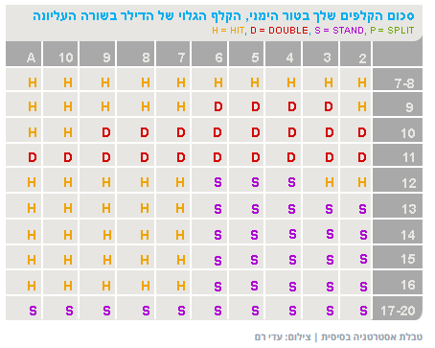
אסטרטגיה בסיסית
סכום הקלפים |  |  | הקלף של הדילר
 | 0 | A | 2 | 3 | 4 | 5 | 6 | 7 | 8 | 9 | 10
0 | Move.No | Move.No | Move.No | Move.No | Move.No | Move.No | Move.No | Move.No | Move.No | Move.No | Move.No
1 | Move.No | Move.No | Move.No | Move.No | Move.No | Move.No | Move.No | Move.No | Move.No | Move.No | Move.No
2 | Move.No | Move.No | Move.No | Move.No | Move.No | Move.No | Move.No | Move.No | Move.No | Move.No | Move.No
3 | Move.No | Move.No | Move.No | Move.No | Move.No | Move.No | Move.No | Move.No | Move.No | Move.No | Move.No
4 | Move.No | Move.No | Move.No | Move.No | Move.No | Move.No | Move.No | Move.No | Move.No | Move.No | Move.No
5 | Move.No | Move.Hit | Move.Hit | Move.Hit | Move.Hit | Move.Hit | Move.Hit | Move.Hit | Move.Hit | Move.Hit | Move.Hit
6 | Move.No | Move.Hit | Move.Hit | Move.Hit | Move.Hit | Move.Hit | Move.Hit | Move.Hit | Move.Hit | Move.Hit | Move.Hit
7 | Move.No | Move.Hit | Move.Hit | Move.Hit | Move.Hit | Move.Hit | Move.Hit | Move.Hit | Move.Hit | Move.Hit | Move.Hit
8 | Move.No | Move.Hit | Move.Hit | Move.Hit | Move.Hit | Move.Hit | Move.Hit | Move.Hit | Move.Hit | Move.Hit | Move.Hit
9 | Move.No | Move.Hit | Move.Hit | Move.Dbl | Move.Dbl | Move.Dbl | Move.Dbl | Move.Hit | Move.Hit | Move.Hit | Move.Hit
10 | Move.No | Move.Hit | Move.Dbl | Move.Dbl | Move.Dbl | Move.Dbl | Move.Dbl | Move.Dbl | Move.Dbl | Move.Dbl | Move.Hit
11 | Move.No | Move.Dbl | Move.Dbl | Move.Dbl | Move.Dbl | Move.Dbl | Move.Dbl | Move.Dbl | Move.Dbl | Move.Dbl | Move.Dbl
12 | Move.No | Move.Hit | Move.Hit | Move.Hit | Move.sTnd | Move.sTnd | Move.sTnd | Move.Hit | Move.Hit | Move.Hit | Move.Hit
13 | Move.No | Move.Hit | Move.sTnd | Move.sTnd | Move.sTnd | Move.sTnd | Move.sTnd | Move.Hit | Move.Hit | Move.Hit | Move.Hit
14 | Move.No | Move.Hit | Move.sTnd | Move.sTnd | Move.sTnd | Move.sTnd | Move.sTnd | Move.Hit | Move.Hit | Move.Hit | Move.Hit
15 | Move.No | Move.Hit | Move.sTnd | Move.sTnd | Move.sTnd | Move.sTnd | Move.sTnd | Move.Hit | Move.Hit | Move.Hit | Move.Hit
16 | Move.No | Move.Hit | Move.sTnd | Move.sTnd | Move.sTnd | Move.sTnd | Move.sTnd | Move.Hit | Move.Hit | Move.Hit | Move.Hit
17 | Move.No | Move.sTnd | Move.sTnd | Move.sTnd | Move.sTnd | Move.sTnd | Move.sTnd | Move.sTnd | Move.sTnd | Move.sTnd | Move.sTnd
18 | Move.No | Move.sTnd | Move.sTnd | Move.sTnd | Move.sTnd | Move.sTnd | Move.sTnd | Move.sTnd | Move.sTnd | Move.sTnd | Move.sTnd
19 | Move.No | Move.sTnd | Move.sTnd | Move.sTnd | Move.sTnd | Move.sTnd | Move.sTnd | Move.sTnd | Move.sTnd | Move.sTnd | Move.sTnd
20 | Move.No | Move.sTnd | Move.sTnd | Move.sTnd | Move.sTnd | Move.sTnd | Move.sTnd | Move.sTnd | Move.sTnd | Move.sTnd | Move.sTnd

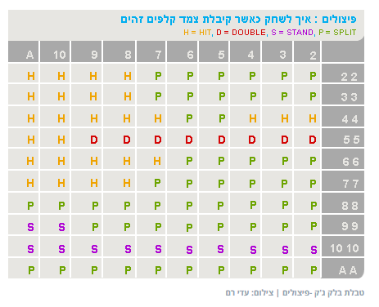
אסטרטגיה של כלים כפולים
קלף כפול |  |  | הקלף של הדילר
מ- | 0 | A | 2 | 3 | 4 | 5 | 6 | 7 | 8 | 9 | 10
0 | Move.No | Move.No | Move.No | Move.No | Move.No | Move.No | Move.No | Move.No | Move.No | Move.No | Move.No
A | Move.No | Move.sPlt | Move.sPlt | Move.sPlt | Move.sPlt | Move.sPlt | Move.sPlt | Move.sPlt | Move.sPlt | Move.sPlt | Move.sPlt
2 | Move.No | Move.Hit | Move.sPlt | Move.sPlt | Move.sPlt | Move.sPlt | Move.sPlt | Move.sPlt | Move.Hit | Move.Hit | Move.Hit
3 | Move.No | Move.Hit | Move.sPlt | Move.sPlt | Move.sPlt | Move.sPlt | Move.sPlt | Move.sPlt | Move.Hit | Move.Hit | Move.Hit
4 | Move.No | Move.Hit | Move.Hit | Move.Hit | Move.Hit | Move.sPlt | Move.sPlt | Move.Hit | Move.Hit | Move.Hit | Move.Hit
5 | Move.No | Move.Hit | Move.Dbl | Move.Dbl | Move.Dbl | Move.Dbl | Move.Dbl | Move.Dbl | Move.Dbl | Move.Dbl | Move.Hit
6 | Move.No | Move.Hit | Move.sPlt | Move.sPlt | Move.sPlt | Move.sPlt | Move.sPlt | Move.Hit | Move.Hit | Move.Hit | Move.Hit
7 | Move.No | Move.Hit | Move.sPlt | Move.sPlt | Move.sPlt | Move.sPlt | Move.sPlt | Move.sPlt | Move.Hit | Move.Hit | Move.Hit
8 | Move.No | Move.sPlt | Move.sPlt | Move.sPlt | Move.sPlt | Move.sPlt | Move.sPlt | Move.sPlt | Move.sPlt | Move.sPlt | Move.sPlt
9 | Move.No | Move.sTnd | Move.sPlt | Move.sPlt | Move.sPlt | Move.sPlt | Move.sPlt | Move.sPlt | Move.sPlt | Move.sPlt | Move.sTnd
10 | Move.No | Move.sTnd | Move.sTnd | Move.sTnd | Move.sTnd | Move.sTnd | Move.sTnd | Move.sTnd | Move.sTnd | Move.sTnd | Move.sTnd

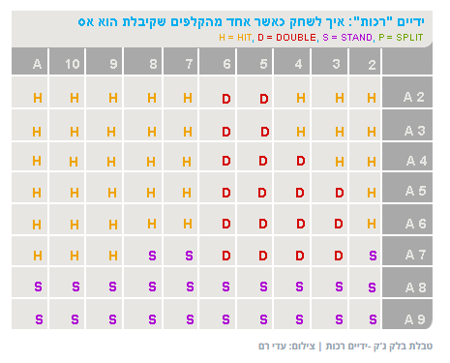
ידיים רכות
יד רכה |  |  | הקלף של הדילר
מ- | 0 | A | 2 | 3 | 4 | 5 | 6 | 7 | 8 | 9 | 10
0 | Move.No | Move.No | Move.No | Move.No | Move.No | Move.No | Move.No | Move.No | Move.No | Move.No | Move.No
1 | Move.No | Move.No | Move.No | Move.No | Move.No | Move.No | Move.No | Move.No | Move.No | Move.No | Move.No
2 | Move.No | Move.Hit | Move.Hit | Move.Hit | Move.Hit | Move.Dbl | Move.Dbl | Move.Hit | Move.Hit | Move.Hit | Move.Hit
3 | Move.No | Move.Hit | Move.Hit | Move.Hit | Move.Hit | Move.Dbl | Move.Dbl | Move.Hit | Move.Hit | Move.Hit | Move.Hit
4 | Move.No | Move.Hit | Move.Hit | Move.Dbl | Move.Dbl | Move.Dbl | Move.Dbl | Move.Hit | Move.Hit | Move.Hit | Move.Hit
5 | Move.No | Move.Hit | Move.Hit | Move.Dbl | Move.Dbl | Move.Dbl | Move.Dbl | Move.Hit | Move.Hit | Move.Hit | Move.Hit
6 | Move.No | Move.Hit | Move.Hit | Move.Dbl | Move.Dbl | Move.Dbl | Move.Dbl | Move.Hit | Move.Hit | Move.Hit | Move.Hit
7 | Move.No | Move.Hit | Move.sTnd | Move.Dbl | Move.Dbl | Move.Dbl | Move.Dbl | Move.sTnd | Move.sTnd | Move.Hit | Move.Hit
8 | Move.No | Move.sTnd | Move.sTnd | Move.sTnd | Move.sTnd | Move.sTnd | Move.sTnd | Move.sTnd | Move.sTnd | Move.sTnd | Move.sTnd
9 | Move.No | Move.sTnd | Move.sTnd | Move.sTnd | Move.sTnd | Move.sTnd | Move.sTnd | Move.sTnd | Move.sTnd | Move.sTnd | Move.sTnd

